Pairwaise Judgement Scale
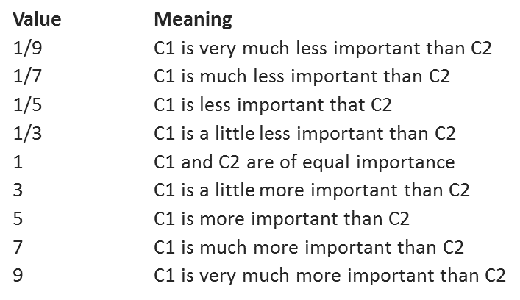
Pairwise Judgement Scale

